Module 35
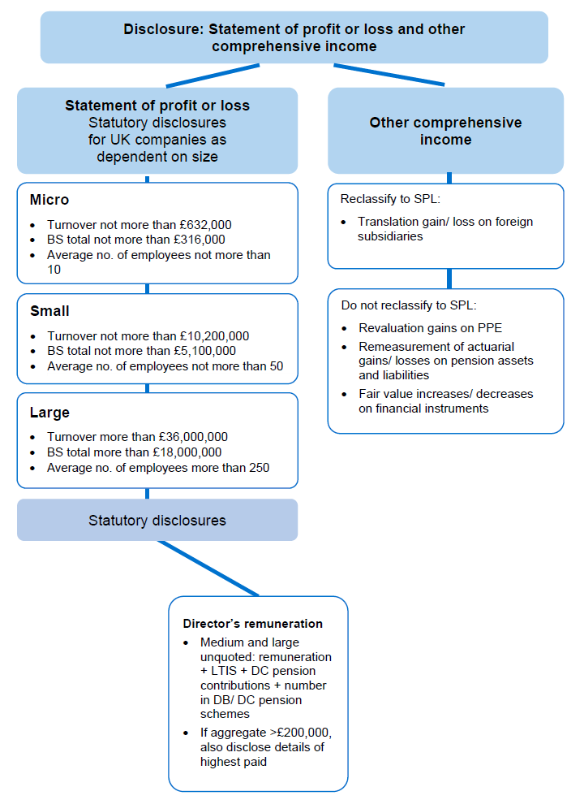
Main
 | Module 35 - Disclosure: Statement of Profit or Loss and Other Comprehensive Income
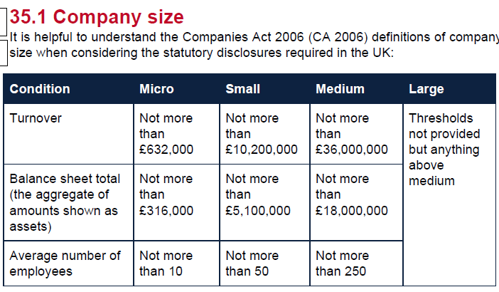

 | Do not need details of highest paid director for small or micro entities.

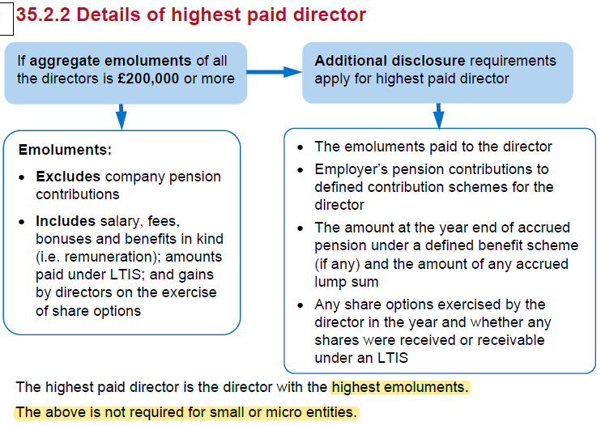

 | Activity 1
 | YE | 2025-03-31

 | SPL

 | Revenue |  |  |  |  | 15675
 | COGS |  |  |  |  | -9890
 | GP |  |  |  |  | 5785

 | wages |  |  |  | -2300
 | depre |  |  |  | -410
 | dist |  |  |  | -615
 | admin |  |  |  | -400 | -3725
 | Finance cost |  |  |  |  | -38
 | Finance income |  |  |  |  | 14
 | PBT |  |  |  |  | 2036
 | tax |  |  |  |  | -582
 | PAT |  |  |  |  | 1454

 | R1 |  |  | Cost of sales | Distributino cost | admin expenses
 |  |  |  | 9,890 | 615 | 400
 | Wages and salaries | 80:15:9 |  | 1,769 | 332 | 199
 | Depr | 70:20:10 |  | 287 | 82 | 41
 |  |  |  | 11,946 | 1,029 | 640

 | SPL |  |  |  |  | £'000
 | Revenue |  |  |  |  | 15,675
 | COGS |  |  |  |  | -11,946
 | GP |  |  |  |  | 3,729
 | distribution cost |  |  |  |  | -1,029
 | Admin exp |  |  |  |  | -640
 | Finance income |  |  |  |  | -38
 | Finance cost |  |  |  |  | 14
 | PBT |  |  |  |  | 2,036
 | Tax |  |  |  |  | 582
 | PAT |  |  |  |  | -1,454

 | R2
 | Determine the size of the company
 | Turnover | £15,675,000 | <36m
 | Medium
 | EE | 114 | <250

 | Directors' | A | B | C
 | salary | 80 | 90 | 65 | 235
 | BIK | 6 |  |  | 6
 | remuneration | 86 | 90 | 65 | 241
 | LTIP bonus |  | 11 |  | 11
 | Emoluments | 86 | 101 | 65 | 252
 | DB pension | 16 | 18 | 13 | 47
 | Directors' remuneration | 102 | 119 | 78 | 299

 | As the emoluments total £252k > £200k, the highest paid director must also be disclosed

 | Directors' remuneration
 | Remuneration |  |  |  | 241
 | LTIP |  |  |  | 11
 | Pension cost |  |  |  | 47
 | Aggregate Directors' remuneration |  |  |  | 299

 | All three directors are members of the defined benfit contribution pension scheme
 | The remuneration of the highest paid director included:

 | emoluments |  |  |  | 101
 | pension cost |  |  |  | 18
 | Remuneration of highest paid Director |  |  |  | 119

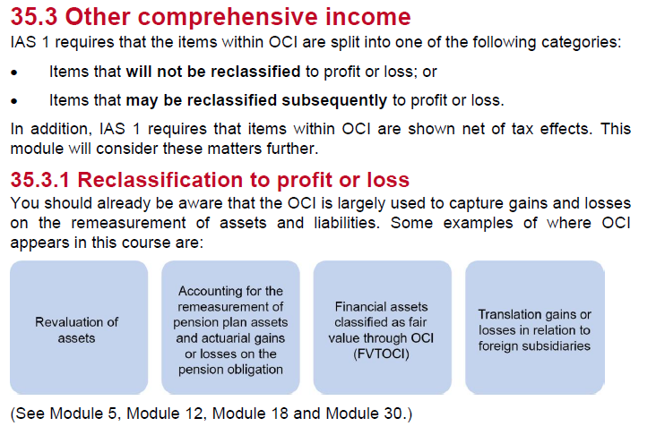

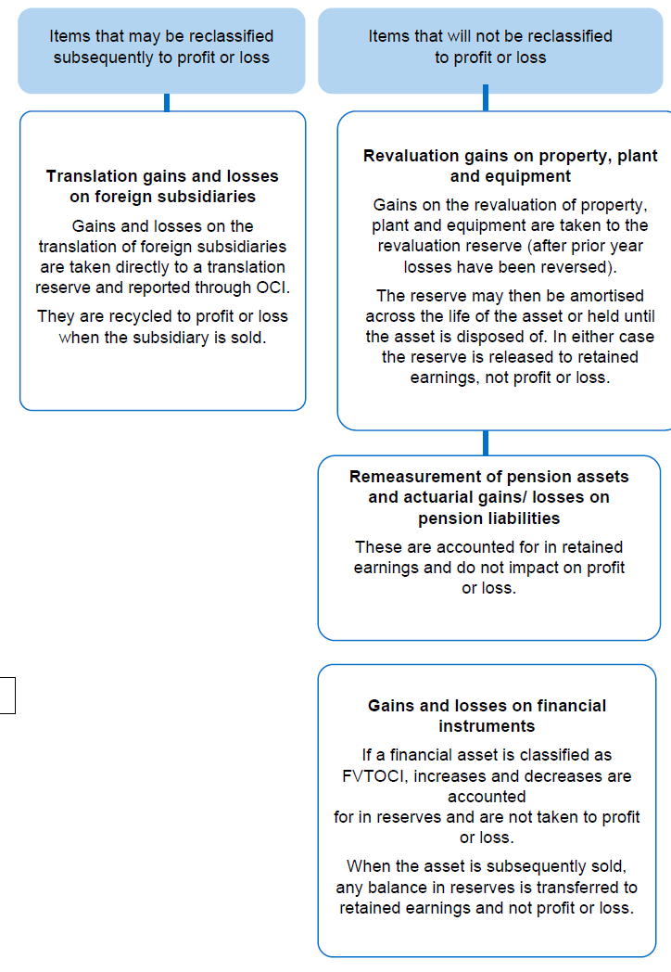

 | Tippee
 | YE | 2015-03-31
 | FV investment increase | 100
 | DTL | 19
 | FV Property increase | 300
 | tax on disposal | 57

 | SOCI |  |  |  | 3500

 | Gains on financial asset |  |  |  | 100
 | gains on property revaluation |  |  |  | 300
 | Taxation relating to item that will no be reclassified |  |  |  | -76
 | OCI for the year, net of tax |  |  |  | 324
 | Total comprehensive income for the year |  |  |  | 3824

 | Tax effects of individual items in other comprehensive income

 |  |  | Gross | Tax (expense)/credit | Net
 | Gains on financial asset |  | 100 | -19 | 81
 | gains on property revaluation |  | 300 | -57 | 243
 |  |  | 400 | -76 | 324

WSE35.1
Boxed Ltd

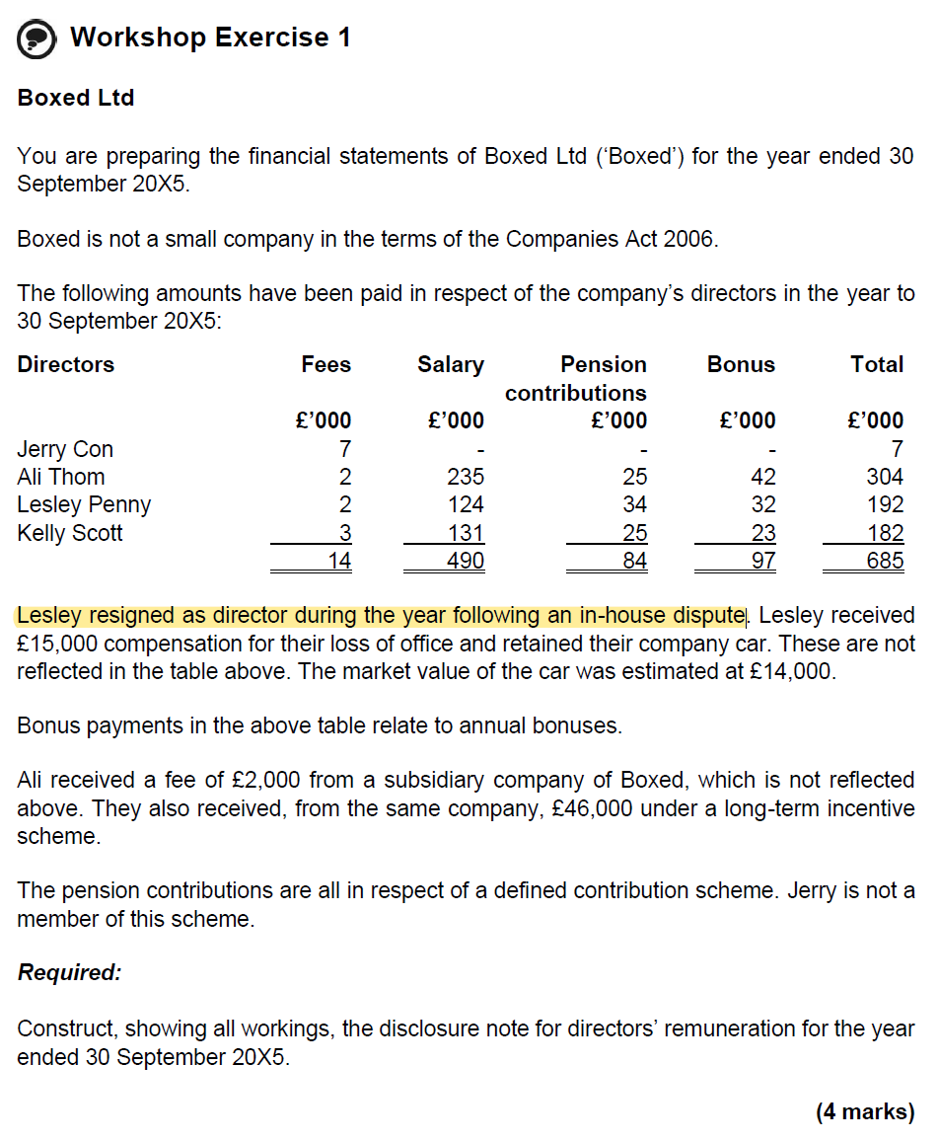

 | Jerry | Ali | Lesley | Kelly | Total
Salary | 0 | 235 | 124 | 131 | 490
Bonus | 0 | 42 | 32 | 23 | 97
Fees from sub. |  | 2 |  |  | 2
Fees | 7 | 2 | 2 | 3 | 14
Remuneration | 7 | 281 | 158 | 157 | 603
LTIP |  | 46 |  |  | 46
Emoluments | 7 | 327 | 158 | 157 | 649
Pension con | 0 | 25 | 34 | 25 | 84
Total | 21 | 681 | 352 | 342 | 1396

As the emoluments total > 200, the highests paid director must be disclosed

Directors' remuneration
Remuneration |  | 281
LTIP |  | 46
Emoluments |  | 327

Directors' remuneration
Remuneration |  |  |  |  | 603
LTIP |  |  |  |  | 46
Pension cost |  |  |  |  | 84
Aggregate Directors' remuneration |  |  |  |  | 733

Three Directors are members of the DB pension scheme

Thre remuneration of the highest paid director included:
Emoluments |  |  |  |  | 327
Pension cost |  |  |  |  | 25
Aggregate Director's remuneration |  |  |  |  | 352

Compensation for loss of office of a director amounted to £29,000 which consisted of compensation and a car

WSE35.3
Main
 | Swan Songs Music

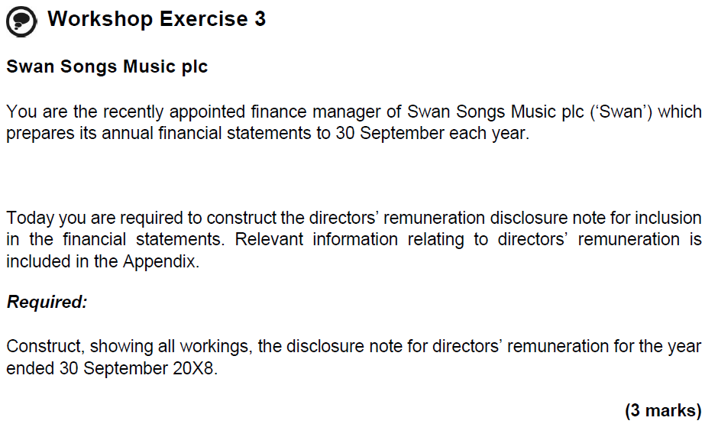

 | Large Co

 | YE | 2018-09-30

 |  | DC | DC | DC
 |  | McGuigan | Eddo | Kumar | Li | Smith | Total
 | Basic Salary | 165 | 140 | 140 | 140 | 90 | 675
 | BIK | 4 | 15 | 2 | 9 | 6 | 36
 | Directors' remuneration | 169 | 155 | 142 | 149 | 96 | 711

 | DC | 12 | 10 | 10 |  |  | 31
 | Aggregate Directors' remuneration | 181 | 165 | 152 | 149 | 96 | 742

 | Basic Salary |  |  |  |  |  | 675
 | BIK |  |  |  |  |  | 36
 | Directors' remuneration |  |  |  |  |  | 711

 | Highest paid director's emoluments
 | Basic Salary |  |  |  |  |  | 165
 | BIK |  |  |  |  |  | 4
 | Emoluments |  |  |  |  |  | 169

 | Pension costs |  |  |  |  |  | 31

 | Disclosure notes
 | Directors' remuneration comprises

 | Remuneratoion |  |  |  |  |  | 711
 | Pension cost |  |  |  |  |  | 31
 | Aggregate Directors' remuneratoin |  |  |  |  |  | 742

 | Three directors are members of the dfeined contribution pension scheme

 | Thre remuneration of higher paid director included:
 | Emoluments |  |  |  |  |  | 169
 | Pension costs |  |  |  |  |  | 12
 | Aggregate director's remuneration |  |  |  |  |  | 181

